Q.2
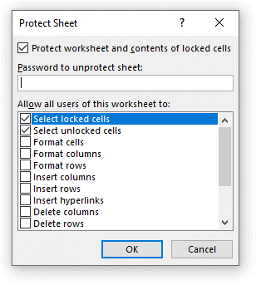
2. How can you restrict someone from copying a cell from your worksheet?

Ans : By using protect sheet

Q.3
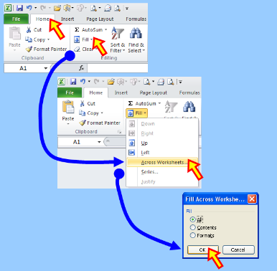
3. How to move or copy the worksheet into another workbook?

Ans : We can move or copy the worksheet into another workbook by using 2 Methods

Method 1 : Move or copy

Method 2 : ﻿Across Worksheets

Q.5
5. What are the things that we can notice after opening the Excel interface?

Ans :

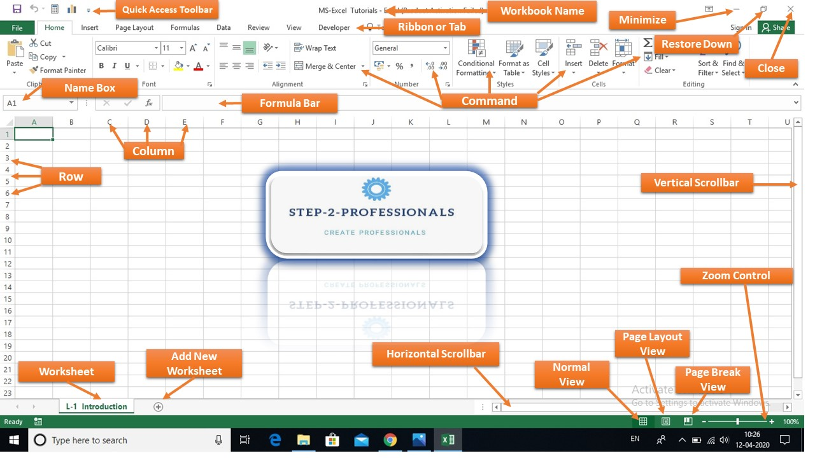
Excel interface

